Sheet1
ID | Name | Date of Birth | Department | Joining Date | Joining Time | Salary
1 | John Doe | 1990-05-14 | HR | 2020-01-15 | 9:30:00 | 50000 | 1. List Validation | = | Ensures the "Department" field contains only specified departments (HR, IT, Marketing, Sales).
2 | Jane Smith | 1985-09-23 | IT | 2019-03-10 | 10:00:00 | 75000 | HR |  | (Drop Down)
3 | Alan Brown | 1992-12-01 | Marketing | 2021-07-25 | 11:15:00 | 60000 | Sales
4 | Eva Green | 1988-11-11 | Sales | 2018-11-30 | 8:45:00 | 65000 | Marketing
5 | Bob White | 1995-08-22 | IT | 2022-02-20 | 9:00:00 | 70000
6 | Claire Blue | 1993-07-18 | Finance | 2020-04-12 | 10:30:00 | 72000
7 | David Black | 1987-03-05 | HR | 2017-06-05 | 8:00:00 | 48000 | 2. Date Range | = | Ensures the "Joining Date" is within a specific range (e.g., between 2018-01-01 and 2023-12-31).
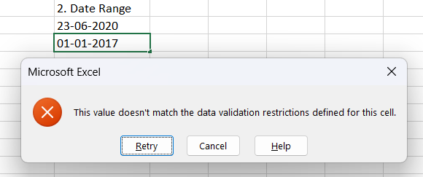
8 | Fiona Gray | 1991-10-28 | Marketing | 2021-10-15 | 9:15:00 | 63000 | 2020-06-23
9 | George Brown | 1984-06-14 | IT | 2019-09-01 | 10:45:00 | 68000 | 2021-10-02
10 | Hannah White | 1996-02-19 | Sales | 2022-11-01 | 11:00:00 | 67000

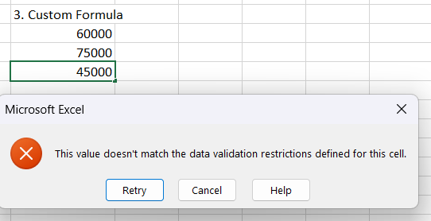
 |  |  |  |  |  |  | 3. Custom Formula | = | Ensures the "Salary" field is between 50000 and 80000, and apply custom formulas to check the range.
 |  |  |  |  |  |  | 60000 |  | (AND(A2>=50000, A2<=80000))
 |  |  |  |  |  |  | 75000
 |  |  |  |  |  |  | 60000

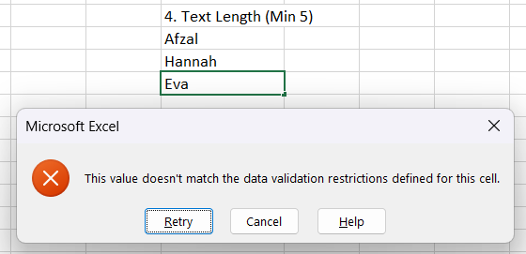
 |  |  |  |  |  |  | 4. Text Length (Min 5) | = | Ensures the "Name" field is between 5 and 20 characters long.
 |  |  |  |  |  |  | Afzal
 |  |  |  |  |  |  | Hannah
 |  |  |  |  |  |  | Eva Green

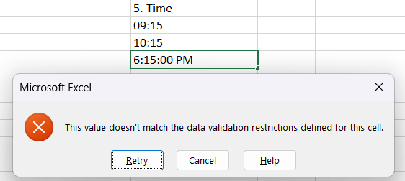
 |  |  |  |  |  |  | 5. Time | = | Ensures the time entered is within a specific range, for example, between 08:00 AM and 06:00 PM.
 |  |  |  |  |  |  | 9:15:00
 |  |  |  |  |  |  | 10:15:00
 |  |  |  |  |  |  | 11:15:00

